Sheet2
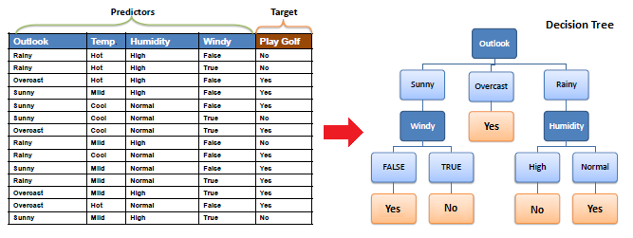
Outlook | Temp | Humidity | Windy | Play Golf
Rainy | Hot | High | FALSE | No
Rainy | Hot | High | TRUE | No
Overcast | Hot | High | FALSE | Yes
Sunny | Mild | High | FALSE | Yes
Sunny | Cool | Normal | FALSE | Yes
Sunny | Cool | Normal | TRUE | No
Overcast | Cool | Normal | TRUE | Yes
Rainy | Mild | High | FALSE | No
Rainy | Cool | Normal | FALSE | Yes
Sunny | Mild | Normal | FALSE | Yes
Rainy | Mild | Normal | TRUE | Yes
Overcast | Mild | High | TRUE | Yes
Overcast | Hot | Normal | FALSE | Yes
Sunny | Mild | High | TRUE | No

